Sheet1
TATA CONSULTANCY SERVICES DASHBOARD

Company Overview
Key Metrics: FY23Q4-Q4
BFSI | 31.40%
Retail & CPG | 15.60%
Life Science & Healthcare | 10.40%
Manufacturing | 9.90%
Technology & Services | 8.70%
Communication & Media | 6.50%
Regional Markets & Others | 17.50%

Established 1968
Revenue $27.9 Bn (FY'23)
HQ Mumbai, India
M-Cap $142.43n Bn (31st Mar'23)
Clients 2700+
Associates 614K+
Revenue ($)
$7195 Mn
Attrition
20.1 % IT

Net Profit
19.3 %
Growth
Revenue 10.7 % YOY

Global Presence
Market Position: FY21-Q4
Clients Added Across Revenue Brands: FY23-Q4
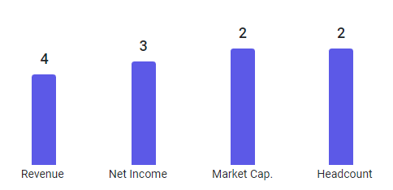
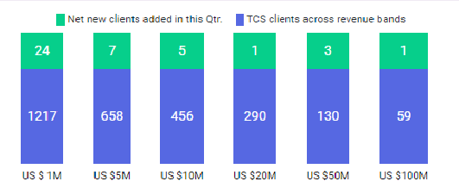

300+
offices world wide
150+
Delivery Centers
In 50+ Countries
Global presence

Revenue Share By Geography: FY23-Q4

North America | 52.40%
UK | 15.70%
Europe | 15.10%
Asia Pacific | 8.00%
India | 5.00%
MEA | 2.00%
Latin America | 1.80%

Sheet2
BFSI | 31.40%
Retail & CPG | 15.60%
Life Science & Healthcare | 10.40%
Manufacturing | 9.90%
Technology & Services | 8.70%
Communication & Media | 6.50%
Regional Markets & Others | 17.50%

Revenue | 4
Net Income | 3
Market Cap. | 2
Headcount | 2

 | TCS clients across revenue bands | Net new clients added in this Qtr.
 | 1217 | 24
 | 658 | 7
 | 456 | 5
 | 290 | 1
 | 130 | 3
 | 59 | 1

Column1 | Column2
North America | 52.40%
UK | 15.70%
Europe | 15.10%
Asia Pacific | 8%
India | 5%
MEA | 2%
Latin America | 1.80%

